Sheet1
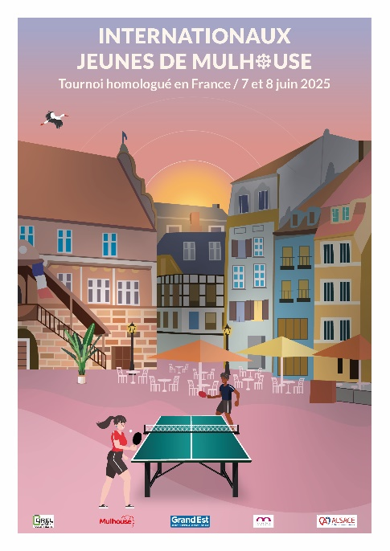
 |  |  | International Youth Table Tennis Tournament MULHOUSE - France

 |  |  | 7-8 June 2025

 |  |  | REGISTRATION FORM

Name of team(delegation)
Contact Person
Mobile/Phone
E-mail
Address
Country

N° | Familly Name | Given Name(s) |  | Sex | Birthdate dd/mm/yyyy | Ranking (points,position etc.) | Player/Coach/ Parent | Category | Accomodation |  | TOTAL
1
2
3
4
5
6
7
8
9
10
11
12
13
14
15
16
17
18
19
20
21
22
23
24
25
 |  |  |  |  |  |  | TOTAL |  |  | 0 €

Five 'all-inclusive' options at the ALSACE REGIONAL SPORTS CENTER or 2*/3* hotel are offered to participants:

OPTION 1 - €90 per person - includes: registration (player or coach), Saturday evening meal, Saturday night stay, Sunday breakfast, and Sunday lunch. Catering will be provided on-site at the ALSACE REGIONAL SPORTS CENTER. Single room supplement €30. OPTION 2 - €100 per person - includes: registration (player or coach), Saturday lunch, Saturday evening meal, Saturday night stay, Sunday breakfast, and Sunday lunch. Catering will be provided on-site at the ALSACE REGIONAL SPORTS CENTER. Single room supplement €30. OPTION 3 - €130 per person - includes: registration (player or coach), Friday night stay, Saturday breakfast, Saturday lunch, Saturday evening meal, Saturday night stay, Sunday breakfast, and Sunday lunch. Catering will be provided on-site at the ALSACE REGIONAL SPORTS CENTER. Single room supplement €60. OPTION 4 - €140 per person - includes: registration (player or coach), Friday evening meal, Friday night stay, Saturday breakfast, Saturday lunch, Saturday evening meal, Saturday night stay, Sunday breakfast, and Sunday lunch. Catering will be provided on-site at the ALSACE REGIONAL SPORTS CENTER. Single room supplement €60. OPTION 5 - €180 per person - includes: registration (player or coach), Friday evening meal, Friday night stay, Saturday breakfast, Saturday lunch, Saturday evening meal, Saturday night stay, Sunday breakfast, Sunday lunch, Sunday evening meal, Sunday night stay, and Monday breakfast. Catering will be provided on-site at the ALSACE REGIONAL SPORTS CENTER. Single room supplement €90. OPTION 6 - €30 per person - includes: registration fees (player or coach)

All parents benefit a €20 discount on all prices (except option 6). Example: A parent chooses Option 1 Single Room, which costs €120, so the price they have to pay is €100.

